Sheet1
Scene No. | 1
Quest Title | 治疗宠物
Quest Log | 回复凌
Map No. | 23
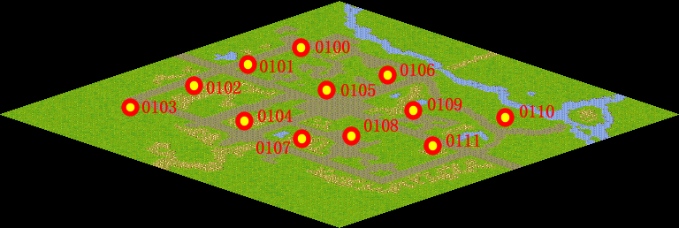
NPC No.
Condition
Dialog
Select
Result | 1 : Scene 0001,

ScriptFile | Qlog-0013-000.scr
 | Q0002-0013-000.scr

